ÜRÜNLER
Serial No. | Main Category | Type | Image | Qty | Unit Price | Total Price
AL8207 | Mesh office Chairs | Lisa | w | 4 | $90 | $360.00 | 1
AL8210 | Mesh office Chairs | Lisa |  | 6 | $86 | $518.56
AL8220 | Mesh office Chairs | Lisa |  | 16 | $82 | $1,306.01
AL8232 | Mesh office Chairs | Lisa |  | 4 | $74 | $295.07
AL8203 | Mesh office Chairs | Lisa |  | 6 | $74 | $445.23
AL8230 | Mesh office Chairs | Lisa |  | 4 | $57 | $226.98
AL8223 | Mesh office Chairs | Lisa |  | 16 | $72 | $1,159.34
AL8300 | Mesh office Chairs | Dofi |  | 6 | $101 | $604.99
AL8330 | Mesh office Chairs | Dofi |  | 4 | $76 | $302.06
AL8310 | Mesh office Chairs | Dofi |  | 16 | $96 | $1,543.46
AL8414 | Mesh office Chairs | Donna |  | 6 | $72 | $434.75
AL8433 | Mesh office Chairs | Donna |  | 4 | $55 | $220.00
AL8416 | Mesh office Chairs | Donna |  | 16 | $64 | $1,019.66
AL8516 | Mesh office Chairs | Laki-s |  | 2 | $91 | $182.46
AL8515 | Mesh office Chairs | Lakı-s |  | 4 | $97 | $387.61
AL8517 | Mesh office Chairs | Laki-s |  | 2 | $75 | $150.16
AL8513 | Mesh office Chairs | Laki |  | 2 | $54 | $107.38
AL8514 | Mesh office Chairs | Laki |  | 2 | $57 | $113.49
AL8607-11 | Mesh office Chairs | Lani |  | 2 | $48 | $96.03
AL4210 | Office Chairs | Pride |  | 2 | $142 | $283.72
AL4230 | Office Chairs | Pride |  | 4 | $106 | $422.53
AL9551 | Office Chairs | Yarasa |  | 4 | $194 | $775.22
AL9557 | Office Chairs | Yarasa |  | 16 | $182 | $2,905.34
AL9563 | Office Chairs | Yarasa |  | 4 | $170 | $680.94
AL7000 | Office Chairs | Art |  | 4 | $111 | $443.48
AL7010 | Office Chairs | Art |  | 16 | $102 | $1,627.27
AL7020 | Office Chairs | Art |  | 4 | $94 | $377.14
AL5110 | Office Chairs | Sına |  | 6 | $104 | $623.32
AL5120 | Office Chairs | Sina |  | 16 | $89 | $1,431.72
AL5130 | Office Chairs | Sina |  | 4 | $83 | $331.74
AL9580 | Office Chairs | Opera |  | 6 | $168 | $1,005.70
AL9581 | Office Chairs | Opera |  | 16 | $161 | $2,570.11
AL9582 | Office Chairs | Opera |  | 4 | $147 | $586.66
AL5312-Black. | Office Chairs | Inci |  | 50 | $47 | $2,335.28
AL7040 | Office Chairs | Zare |  | 1 | $86 | $85.55
AL7091 | Office Chairs | Conto |  | 2 | $73 | $145.79
AL7092 | Office Chairs | Conto |  | 2 | $68 | $136.19
AL7093 | Office Chairs | Conto |  | 2 | $61 | $122.22
AL6403 | Waiting | Port |  | 1 | $408 | $407.69
AL6404 | Waiting | Port |  | 1 | $447 | $446.98
AL6400 | Waiting | Port | 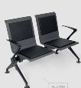 | 1 | $245 | $245.31
AL6402 | Waiting | Port |  | 1 | $327 | $327.38
AL6401 | Waiting | Port |  | 1 | $268 | $268.45
AL8641 | Waiting | Lani | 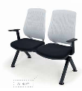 | 2 | $86 | $172.85
AL8642 | Waiting | Lani | 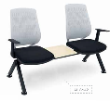 | 2 | $96 | $192.06
AL8643 | Waiting | Lani |  | 2 | $122 | $244.44
AL8735 | Waiting | Winney | 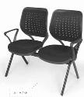 | 10 | $94 | $942.84
AL8736 | Waiting | Winney | 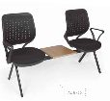 | 10 | $103 | $1,034.51
AL8737 | Waiting | VVinney |  | 10 | $134 | $1,335.69
AL5540 | Waiting | Eko | 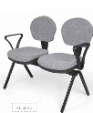 | 1 | $83 | $83.37
AL5545 | Waiting | Eko | 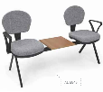 | 1 | $89 | $88.61
AL5560 | Waiting | Eko |  | 2 | $115 | $229.60
AL7081 | Waiting | Speak |  | 1 | $135 | $135.32
AL7080 | Waiting | Speak |  | 2 | $78 | $155.39
AL7085 | Waiting | Speak |  | 10 | $81 | $811.89
AL7083 | Waiting | Speak |  | 1 | $188 | $188.00
AL8011 | Waiting | Sara |  | 2 | $- | $-
AL8921 | Waiting | Sara | 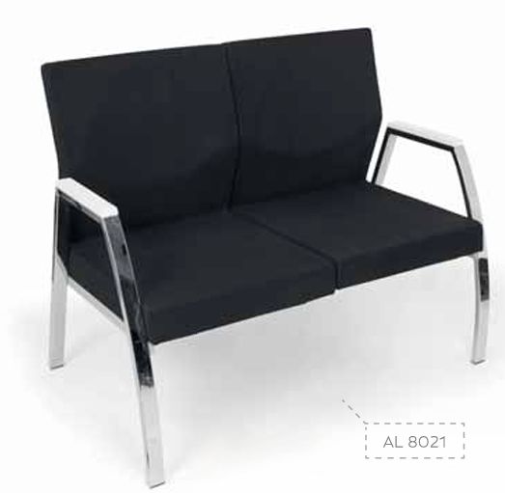 | 1 | $- | $-
AL5761-1 | Conferance | Melting |  | 1 | $24 | $23.57
AL5770-1 | Conferance | Melting |  | 100 | $24 | $2,400.75
AL8050- RED | Conferance | Stylo |  | 100 | $38 | $3,797.55
AL8051- SILVER | Conferance | Stylo-m |  | 100 | $38 | $3,800.00
AL9915-1 | Conferance | Lecture |  | 1 | $103 | $103.01
AL9912 | Conferance | Lecture |  | 1 | $107 | $107.00
AL9904 | Conferance | Lecture |  | 1 | $144 | $144.00
AL9901 | Conferance | Lecture |  | 1 | $69 | $69.00
AL9900 | Conferance | Lecture | 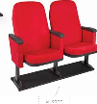 | 1 | $74 | $74.00
AL9914 | Conferance | Lecture |  | 1 | $96 | $96.00
AL5810-1 | Café | Fora |  | 10 | $24 | $235.71
AL5860-2 | Café | Fora |  | 200 | $28 | $5,600.00
AL5860-11 | Café | Fora |  | 200 | $41 | $8,200.00
AL5860-6 | Café | Fora |  | 200 | $28 | $5,600.00
AL5860-1 | Café | Fora |  | 200 | $26 | $5,200.00
AL5860-7 | Café | Fora |  | 200 | $28 | $5,600.00
AL9015 | Café | Mora |  | 1 | $39 | $39.00
AL5980-9 | Café | Mira |  | 1 | $24 | $24.00
AL6160-3 | Café | Maya | 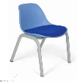 | 50 | $24 | $1,200.00
AL6333-Black | Café | Tabure |  | 10 | $25 | $248.81
AL6333-White | Café | Tabure |  | 10 | $25 | $248.81
AL6330-1 | Café | Tabure |  | 10 | $18 | $183.33
AL6320-1 | Café | Tabure |  | 10 | $23 | $230.00
AL6310-1 | Café | Tabure |  | 10 | $22 | $222.61
AL5692 | Café | Café |  | 1 | $79 | $79.44
AL6688 | Café | Harmony |  | 1 | $73 | $73.33
AL5650 | Café | Keebar | 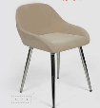 | 1 | $63 | $63.29
AL5651 | Café | Keebar |  | 1 | $61 | $61.11
AL6970 | Café | Comodo |  | 1 | $65 | $65.48
AL6921 | Café | Care |  | 1 | $55 | $55.00
AL6120 | Café | Bar |  | 50 | $78 | $3,906.67
AL6181-11 | Café | Bar/ Maya |  | 1 | $48 | $48.02
AL6977 | Café | Golden | 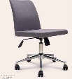 | 1 | $68 | $67.66
AL6974 | Café | Golden |  | 1 | $64 | $63.73
AL6010 | Café | Bench |  | 2 | $144 | $288.09
AL6020 | Café | Bench |  | 1 | $185 | $185.08
AL5960-2 | Café | Mora | 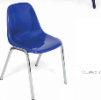 | 1 | $24 | $24.44
AL6990 | Café | Bar |  | 1 | $79 | $78.57
AL6870 | Café | Bar |  | 1 | $25 | $25.32
 |  |  | ALL TOTAL | 1831 |  | $82,180.61

